Cover page
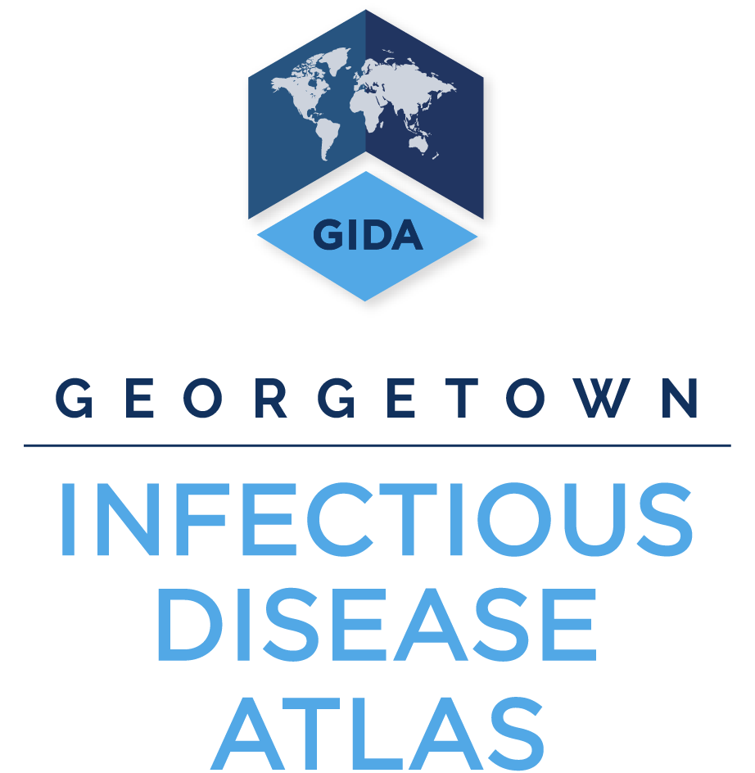
Performance of Veterinary Services (PVS) Evaluation data by edition, country, and core competency
Last updated 2020-06-01
The World Organisation for Animal Health (OIE) developed the Performance of Veterinary Services (PVS) Pathway as a capacity-building platform for the sustainable improvement of national Veterinary Services. This tool enables national veterinary authorities to understand their strengths and weaknesses using a globally consistent methodology based on international standards. We have translated the publicly available PVS levels of advancement (i.e., scores) into a searchable spreadsheet; scores range from 1 to 5,* with 5 being the optimum designation. These data have also been incorporated into the Global Health Security Tracking tool at https://tracking.ghscosting.org.
The Sources tab lists all collated PVS evaluations by country, year and month evaluated, and version of the OIE PVS Tool used. The subsequent tabs contain the levels of advancement (i.e., scores) reported for each country using the OIE PVS Tool version indicated in the tab name. Key citation: World Organisation for Animal Health website. OIE PVS Pathway: PVS Evaluation Reports. https://www.oie.int/solidarity/pvs-evaluations/pvs-evaluation-reports/ * For Vietnam's PVS 2007 evaluation, a level of advancement of zero was assigned to certain core competencies, although the standard OIE PVS Tool currently only describes levels 1 to 5. Additionally, certain core competencies were evaluated in sub-parts with a separate level of advancement applied to each sub-part, and other core competencies were not evaluated.

